1. Title Page
Instacart Grocery Basket Analysis

Project Name: Instacart Grocery Basket Analysis
Date: Jan, 2023
Analyst Name: Teng Zhang

Contents:
Population Flow
Consistency checks
Wrangling steps
Column derivations
Visualizations
Recommendations
Citation
 | The Instacart Online Grocery Shopping Dataset 2017, Accessed from https://www.instacart.com/datasets/grocery-shopping-2017 on <date>
 | the customer data , as well as the “prices” column in the products data set, were both fabricated for the purpose of this project

2. Population Flow
Title page

Population flow

Exclusion flag
Condition: max_order < 99
Obervations to be removed: 1,440,295
Final total count of order_products_all: 32,404,859

Orders_products_combined
Orders_products_merged
Orders_products_all

Total: 32,404,859
Total: 32,434,489
Total: 32,404,859

1.) The grey boxes in the first row of the population flow represent the original data sets as they were when you downloaded them. In the Total fields you need to add the count of the rows when you imported the data set into Jupyter.
2.) The second row of boxes (coloured) represents the data sets after you manipulated them, e.g., removed missing values and duplicates. In the Total fields you need to add the count of the rows after conducting these operations. This offers a visual oveview of how the data flows throughout the data consistency checks.
3.) The third row, where also the arrows are coloured, represents the merges you performed between the datasets. In the Total fields you need to add the count of the rows in the merged datasets, so that you end up with the final dataset (in the red box). Keep in mind the final dataset should be without exclusions (based on the exclusion flag).

3. Consistency checks
 |  |  |  | Title page
Consistency checks

Dataset | Missing values | Missing values treatment | Duplicates
orders | 206, 209 missing values in 'days_since_prior_order' | remain na | No duplicates found
products | 16 missing vlues | dropped | 5 duplicates were found and deleted
orders_products_prior | None | None | None
customers | 11, 259 missing values in 'first name' | remain na | None

4. Wrangling steps
 |  |  |  | Title page
Wrangling steps

Columns dropped | Columns renamed | Columns' type changed | Comment/Reason
first name' & 'surname' from product |  |  | DII data, removed for security reason
_merge' indicator form merging data |  |  | redundant column
eval_set' from orders |  |  | redundant column
 | Age' renamed as 'age' from customers |  | uniform with column naming conventions
 | Gender' renamed as 'gender' from customers |  | uniform with column naming conventions
 | STATE' renamed as 'state' from customers |  | uniform with column naming conventions
 |  | order_id' to str from orders | not numerical data
 |  | user_id' to str from orders | not numerical data

5. Column derivations
 |  |  |  | Title page

Column derivations and aggregations

In this tab you should add tables below that the frequences of flags/label variables that you produced after deriving them. NB: don't do this for continuous variables, only for flags.
Dataset | New column | Column/s it was derived from | Conditions
orders | busiest_period_of_day | orders_hour_of_day' | Most orders' = 2 busiest hours, 'Least orders' = the 2 least busiest hours, the rest were labeled 'Average orders'.
orders | busiest_day | orders_dow' | Top busiest 2 days were labeled 'busiest' and the 2 slowest days were labeled 'slowest' and the rest were labeled 'regular days'.
orders | max_order | order_number' | max order_number by user level
orders | user_loyalty_flag | max_order | Loyal customer' have >40, 'New customer' have <=10 max orders, and the are labeled 'Regular customer'.
orders | avg_spending | prices | average order prices by user level
orders | spender_range | avg_spending | < 10 for 'Low spender' and >= 10 for 'High spender'.
orders | med_days_since | days_since_prior_order | median of day since prior order by user level
orders | user_frequency | med_days_since | <= 10 for 'Frequent customer', between 10 and 20 for 'Regular customer', and >20 for 'Non-frequent customer'.
customers | region | state' | https://simple.wikipedia.org/wiki/List_of_regions_of_the_United_States
customers | user_profiling | age, fam_states, n_dependant | single adult: age>18, single, devorced/widowed, no dependant. young parents: age < 35 ,married, 1 dependant. single kid family: age >= 35, married, 1 dependent. nulti child family, married, depedent > = 2. live with family: living with parents and siblings

6. Visualizations
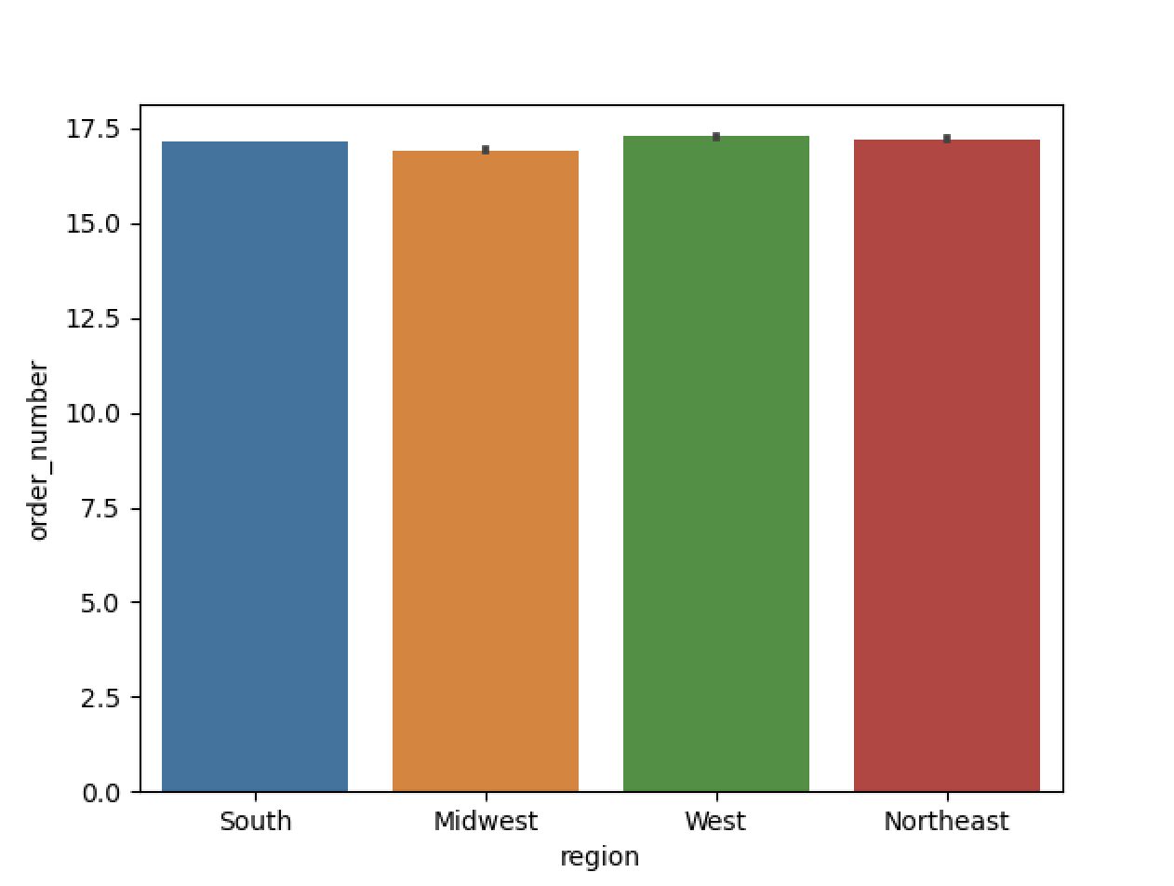
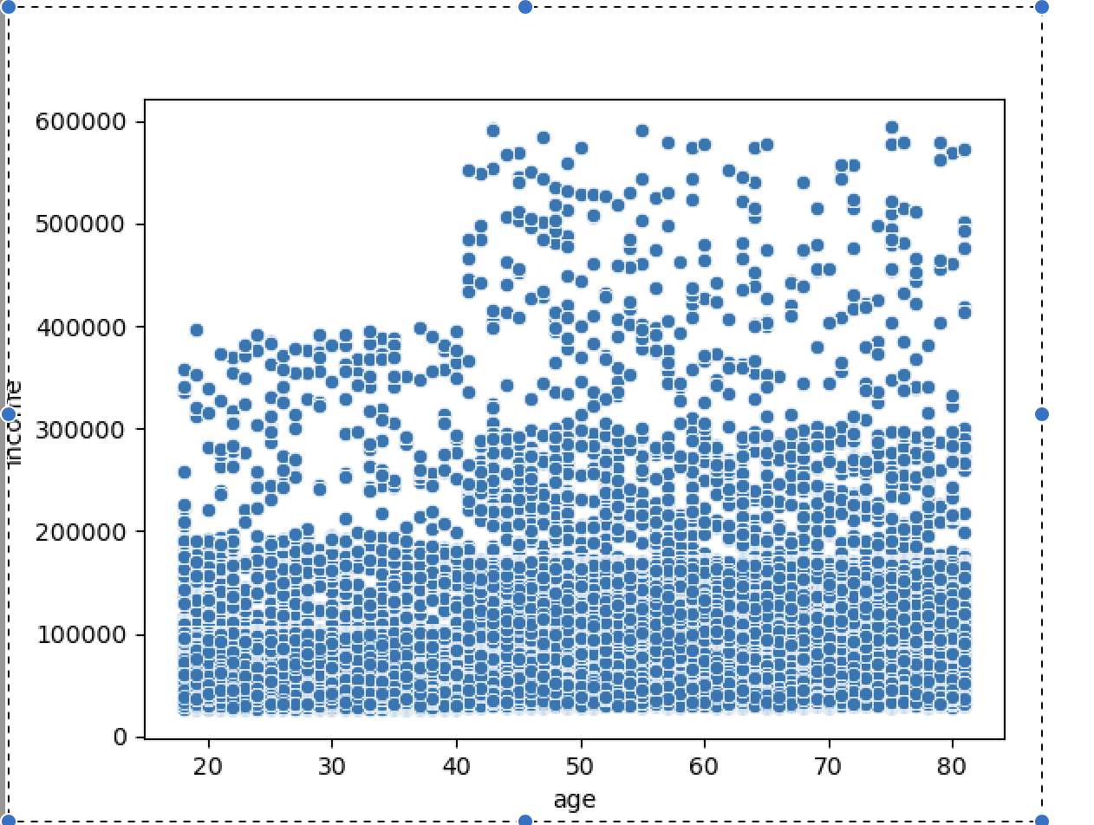
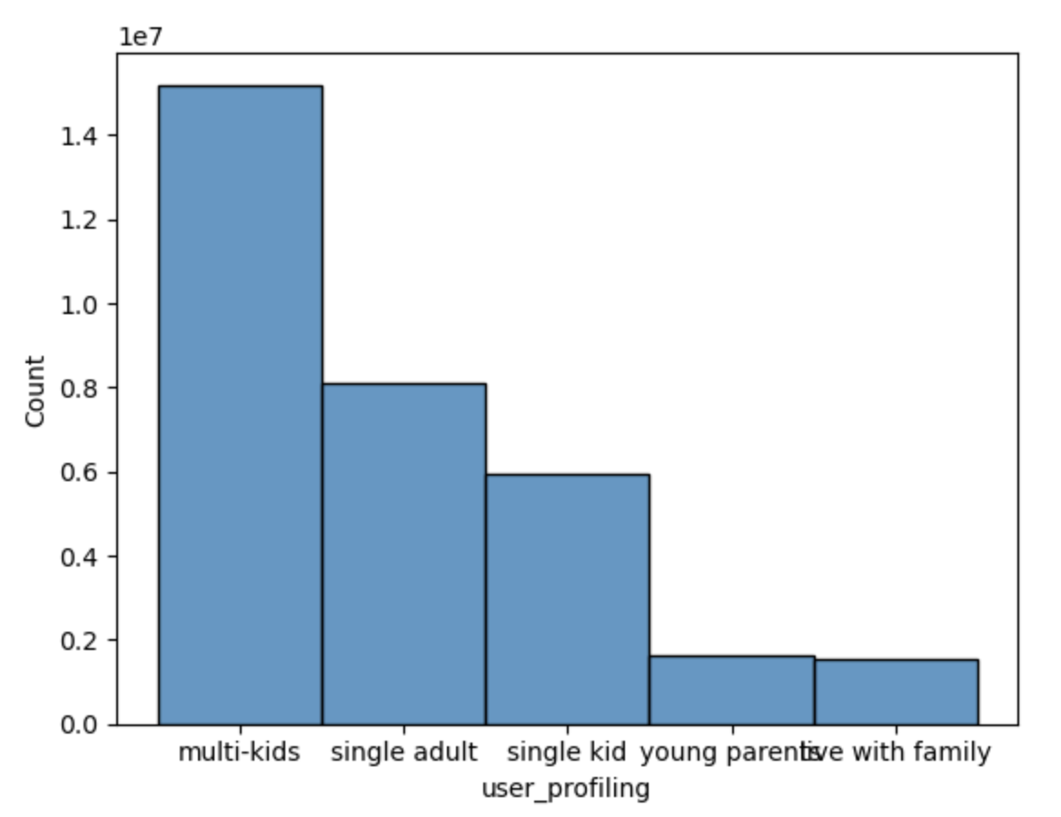
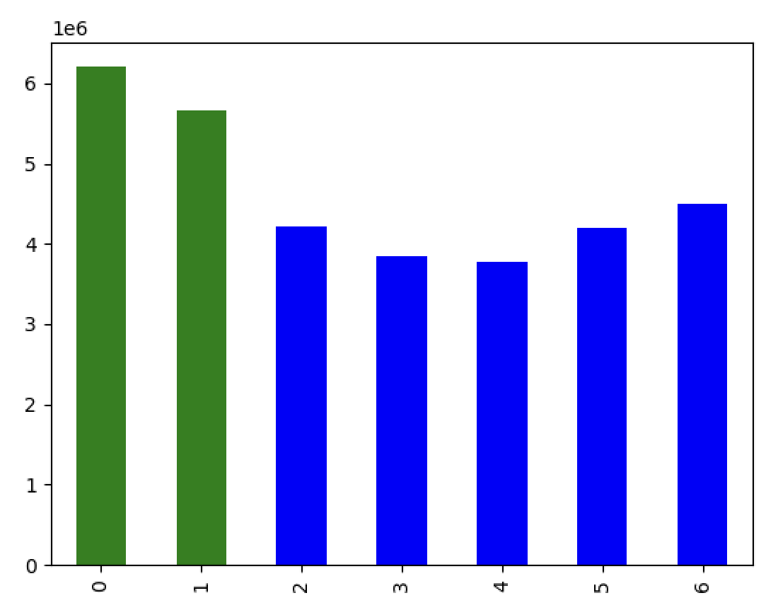
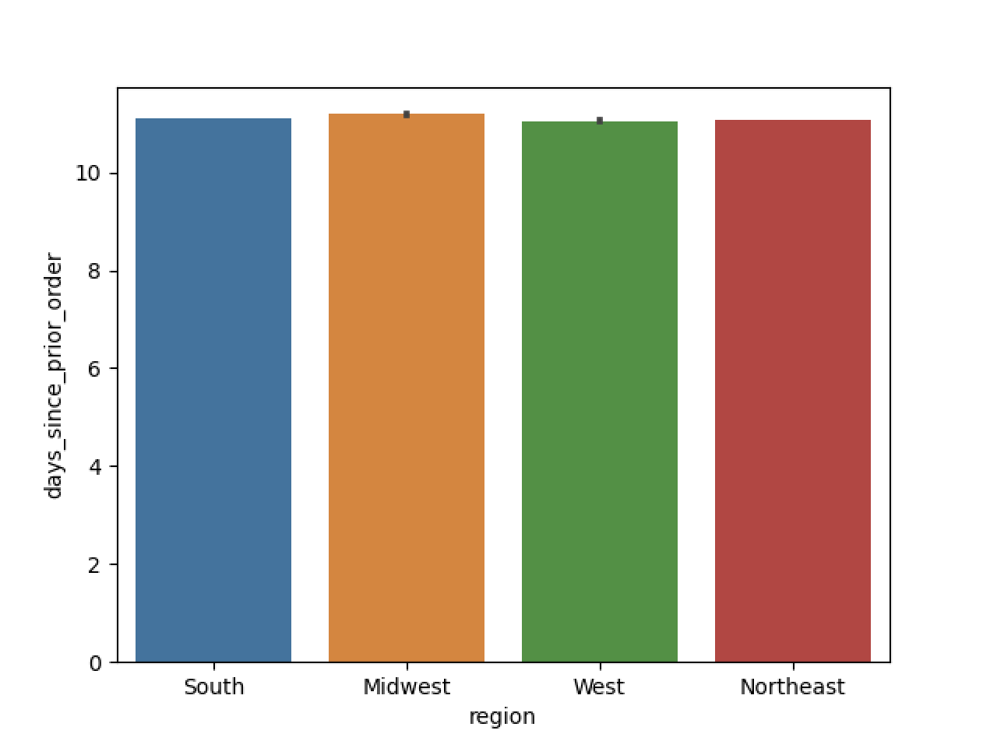
 |  |  | Title page

Visualisations

In this tab you should include all the visualtions from Exercises 4.9 and 4.10, alongside the questions from the project brief that they answer. Include any commentary on the relationship between different variables.

order number by day of a week

x - axis:
 | 0: Sunday
 | 1: Saturday
 | 2: Monday
 | 3: Tuesday
 | 4: Wednesday
 | 5: Thursday
 | 6: Friday

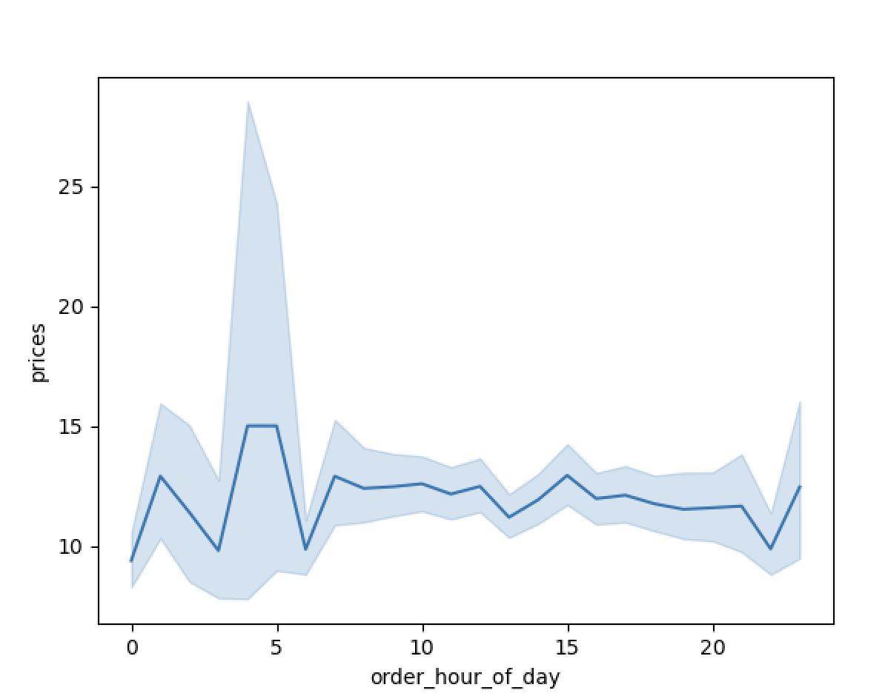

 | department_id | department
 | 1 | frozen
 | 2 | other
 | 3 | bakery
 | 4 | produce
 | 5 | alcohol
 | 6 | international
 | 7 | beverages
 | 8 | pets
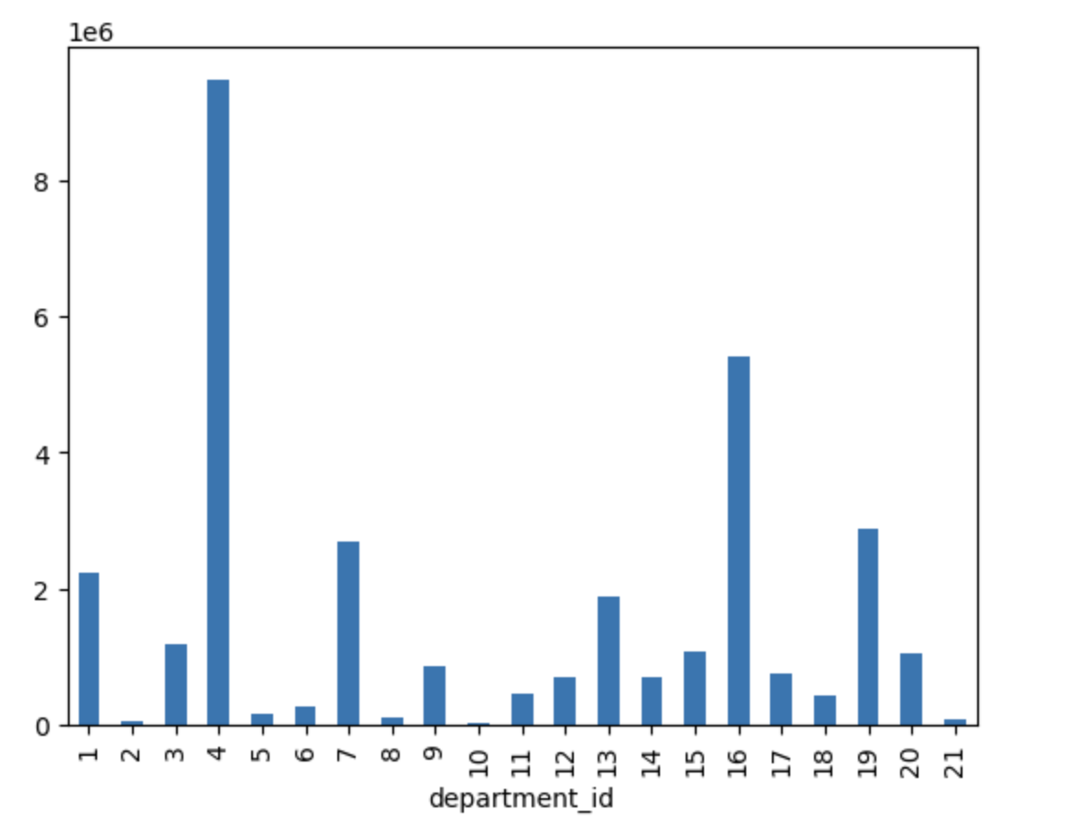
 | 9 | dry goods pasta
 | 10 | bulk
 | 11 | personal care
 | 12 | meat seafood
 | 13 | pantry
 | 14 | breakfast
 | 15 | canned goods
 | 16 | dairy eggs
 | 17 | household
 | 18 | babies
 | 19 | snacks
 | 20 | deli
 | 21 | missing

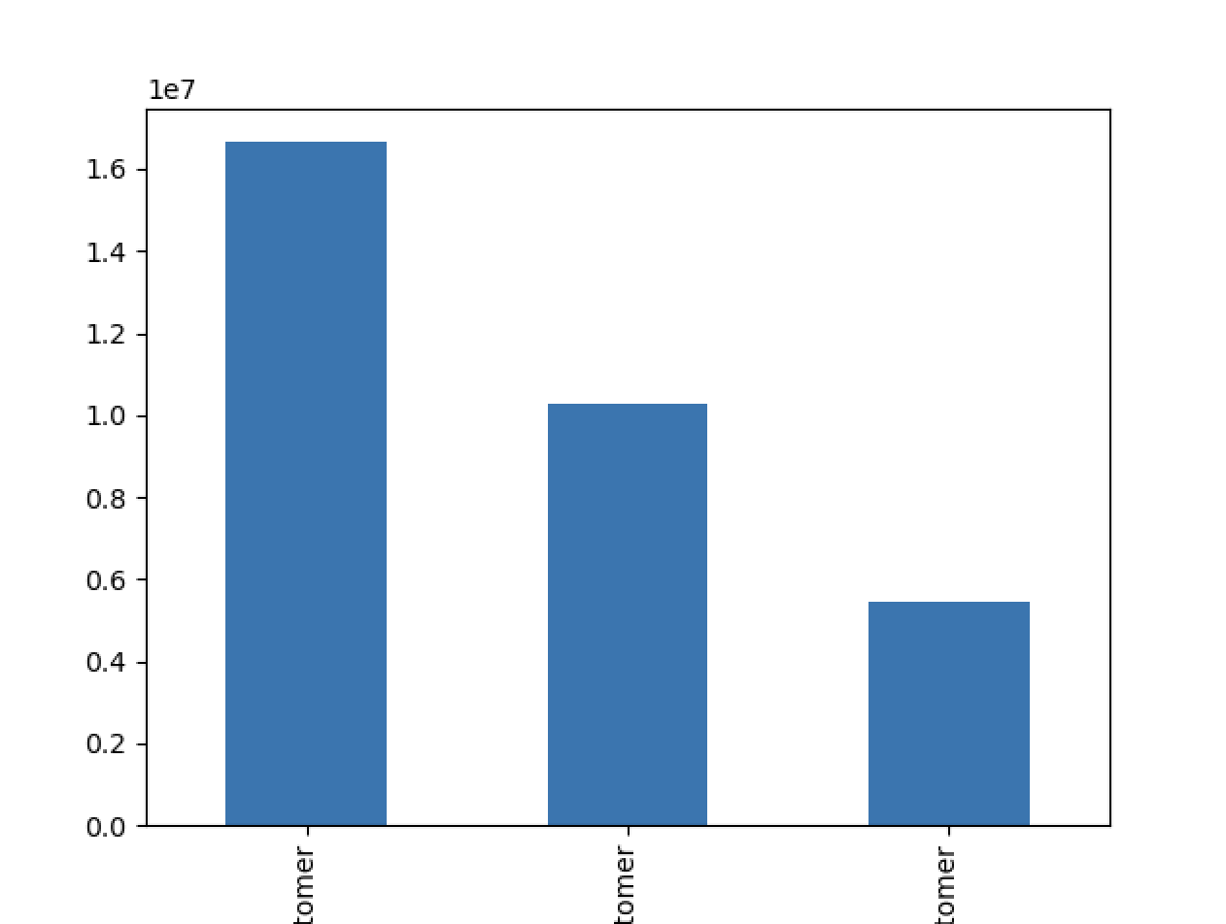

 | x - axis in order
 | regular customer
 | loyalty customer
 | new customer

7. Recommendations
 |  | Title page

Recommendations

In this tab you should include any recommendations you would made to Instcart in terms of their marketing strategy based on the questions posed in the brief. Every key question has been covered in the Tasks of the Exercises - here you need to add an item - a visualisation or table/crosstable that is showing the answer in the data, acompanied by a comment from you. Please, list the questions below and add the answer underneath.

Question | Answer
Key Question 1 | The busiest days are the weekends, with Monday to Wednesday being the least busy.
Key Question 2 | No significant difference in order prices over the hours of the day, at 5am the price is slightly higher than at other times.
Key Question 3 | Around 50% of customers have an order interval of 10-20 days, 30% of customers order more frequently under 10 days, 20% of customers order less frequently over 20 days.
Key Question 4 | Comparing the four regions, customers in the Midwest spend less on orders and order less frequently.
Key Question 5 | Produce is the most popular product category, followed by dairy, eggs and snacks.
Key Question 6 | High income customers (income above 400000) are concentrated in the population over 40.
Key Question 7 | Most customer have more than one depentant.

● They also want to know whether there are particular times of the day when people spend the most money, as this might inform the type of products they advertise at these times. ● Instacart has a lot of products with different price tags. Marketing and sales want to use simpler price range groupings to help direct their efforts.
● Are there certain types of products that are more popular than others? The marketing and sales teams want to know which departments have the highest frequency of product orders.
● The marketing and sales teams are particularly interested in the different types of customers in their system and how their ordering behaviors differ. For example: ● What’s the distribution among users in regards to their brand loyalty (i.e., how often do they return to Instacart)?
● Are there differences in ordering habits based on a customer’s loyalty status? ● Are there differences in ordering habits based on a customer’s region? ● Is there a connection between age and family status in terms of ordering habits?
Note: Instacart is a real company that’s made their data available online. However, the contents of this project brief have been fabricated for the purpose of this Achievement.
● What different classifications does the demographic information suggest? Age? Income? Certain types of goods? Family status?
● What differences can you find in ordering habits of different customer profiles? Consider the price of orders, the frequency of orders, the products customers are ordering, and anything else you can think of.

